Tabelle1
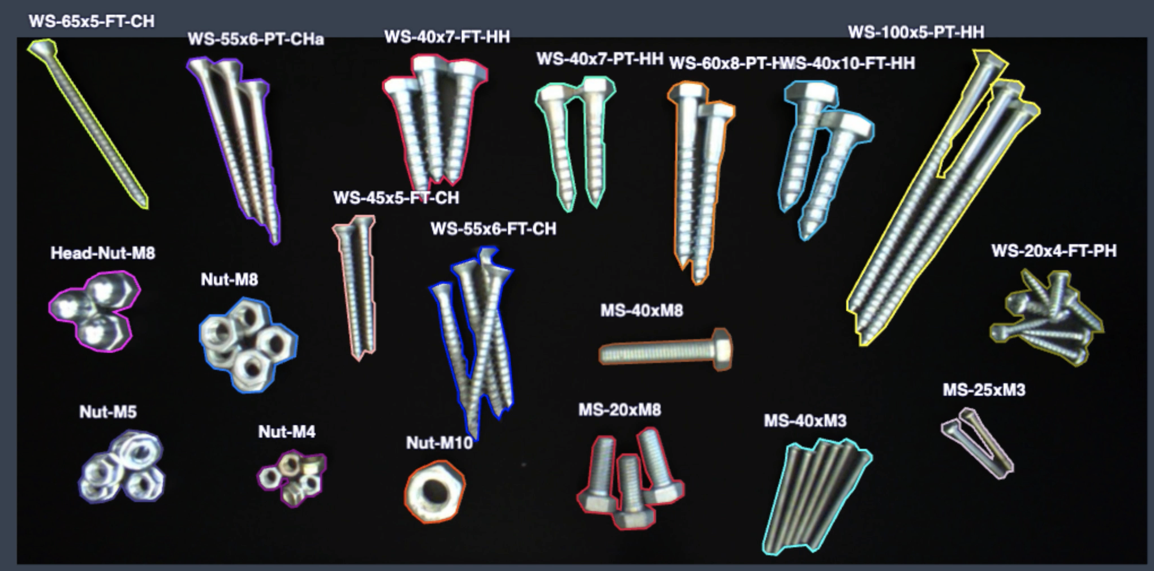
 | ID | Object Type | Objects | Images | Object Images | Val Objects | WS 65x5 FT CH | WS 55x6 PT CHa | WS 40x7 FT HH | WS 40x7 PT HH | WS 60x8 PT HH | WS 40x10 FT HH | WS 100x5 PT HH
 | 1 | WS 65x5 FT CH | 1 | 17 | 17 | 1
 | 2 | WS 55x6 PT CH | 3 | 6 | 18 | 1 | Head Nut M8 | Nut M8 |  | WS 45x5 FT CH | WS 55x6 FT CH | MS 40xM8 |  | WS 20x4 FT PH
 | 3 | WS 40x7 FT HH | 3 | 6 | 18 | 1
 | 4 | WS 40x7 PT HH | 2 | 8 | 16 | 1 | Nut M5 | Nut M4 | Nut M10 | MS 20xM8 |  | MS 40xM3 | MS 25xM3
 | 5 | WS 60x8 PT HH | 2 | 9 | 18 | 1
 | 6 | WS 40x10 FT HH | 2 | 9 | 18 | 1
 | 7 | WS 100x5 PT HH | 3 | 5 | 15 | 1
 | 8 | WS 45x5 FT CH | 2 | 9 | 18 | 2
 | 9 | WS 55x6 FT CH | 4 | 4 | 16 | 2
 | 10 | WS 20x4 FT PH | 7 | 3 | 21 | 2
 | 11 | MS 40xM8 | 1 | 16 | 16 | 1
 | 12 | MS 20xM8 | 3 | 6 | 18 | 2
 | 13 | MS 40xM3 | 6 | 3 | 18 | 1
 | 14 | MS 25xM3 | 2 | 8 | 16 | 2
 | 15 | Nut M4 | 5 | 4 | 20 | 3
 | 16 | Nut M5 | 5 | 4 | 20 | 2
 | 17 | Nut M8 | 6 | 3 | 18 | 2
 | 18 | Head Nut M8 | 3 | 5 | 15 | 2
 | 19 | Nut M10 | 1 | 18 | 18 | 1
Sum |  |  | 61 | 143 | 334 | 29

 | MS | metal screw
 | WS | wood screw
 | FT | fully threaded
 | PT | partially threaded
 | CH | countersunk head
 | PH | pan head
 | HH | Hex head

